Electrode Map
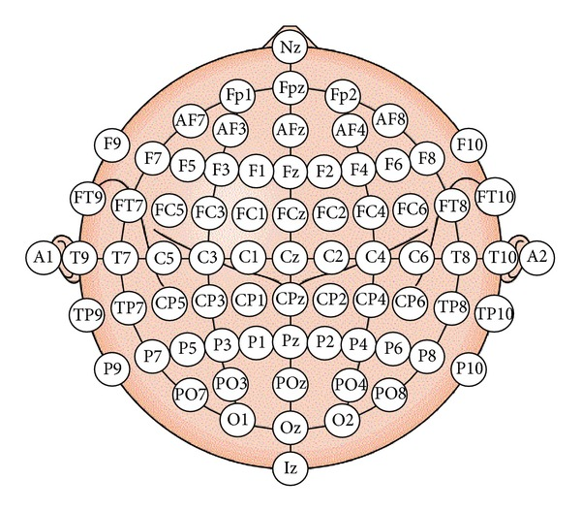
Channel # | Elec name | Stim Type | Stim Type | Stim Type | Stim identifier
1 | 'Fp1' |  |  | Emotional stimuli
2 | 'Fpz' |  |  | Emotional stimuli
3 | 'Fp2' |  |  | Emotional stimuli
4 | 'AF3' | Somatosensory |  | Emotional stimuli
5 | 'AF4' | Somatosensory |  | Emotional stimuli
6 | 'F7' |  | Auditory Complex
7 | 'F5' |  | Auditory Complex | Emotional stimuli
8 | 'F3' | Somatosensory |  | Emotional stimuli
9 | 'F1' | Somatosensory |  | Emotional stimuli
10 | 'Fz' | Somatosensory
11 | 'F2' | Somatosensory |  | Emotional stimuli
12 | 'F4' | Somatosensory
13 | 'F6' | Somatosensory | Auditory Complex
14 | 'F8' |  | Auditory Complex
15 | 'FT7' | Auditory Tones | Auditory Complex
16 | 'FC5' | Auditory Tones
17 | 'FC3' | Somatosensory
18 | 'FC1' | Somatosensory
19 | 'FCz'
20 | 'FC2' | Somatosensory
21 | 'FC4' | Somatosensory
22 | 'FC6' | Auditory Tones
23 | 'FT8' | Auditory Tones | Auditory Complex
24 | 'T7' | Auditory Tones | Auditory Complex
25 | 'C5' | Auditory Tones | Auditory Complex | Somatosensory
26 | 'C3' | Somatosensory
27 | 'C1' | Somatosensory
28 | 'Cz' | Somatosensory
29 | 'C2' | Somatosensory
30 | 'C4' | Somatosensory
31 | 'C6' | Auditory Tones | Auditory Complex | Somatosensory
32 | 'T8' | Auditory Tones | Auditory Complex
33 | 'M1' |  | A1
34 | 'TP7'
35 | 'CP5' | Auditory Tones | Auditory Complex
36 | 'CP3' | Somatosensory
37 | 'CP1' | Somatosensory
38 | 'CPz'
39 | 'CP2' | Somatosensory
40 | 'CP4' | Somatosensory
41 | 'CP6' | Auditory Tones | Auditory Complex
42 | 'TP8'
43 | 'M2' |  | A2
44 | 'P7'
45 | 'P5'
46 | 'P3' | Somatosensory
47 | 'P1' | Somatosensory
48 | 'Pz' | Somatosensory
49 | 'P2' | Somatosensory
50 | 'P4' | Somatosensory
51 | 'P6'
52 | 'P8'
53 | 'PO7' | Visual
54 | 'PO5'
55 | 'PO3' | Visual
56 | 'POz' | Visual
57 | 'PO4' | Visual
58 | 'PO6'
59 | 'PO8' | Visual
60 | 'CB1' | Visual | לא בתמונה - אחורית
61 | 'O1' | Visual
62 | 'Oz' | Visual
63 | 'O2' | Visual
64 | 'CB2' | Visual | לא בתמונה - אחורית
65 | 'VEO' |  | לא רלוונטי
66 | 'HEO' |  | לא רלוונטי
67 | 'EKG' |  | לא רלוונטי
68 | 'EMG' |  | לא רלוונטי

